HTOL Requirements (biasing, tem
Driving requirements: | 1. 9 channels current driver
 | 2. 3 power rails 3V3 and N1V8 and negative
 | 3. 1 signal driver 5Vpp + 4V bias
 | 4. 1 thermistor read out

PIN_ID | Driving Requirement | Comment | Driving Configuration | In-Situ Monitoring | Notes |  |  |  | WEST |  |  |  |  |  |  |  |  |  |  |  |  |  |  |  |  |  |  |  |  |  |  | EAST
A1 | N/C |  |  |  |  |  |  | INDEX | A | B | C | D | E | F | G | H | I | J | K | L | M | N | O | P | Q | R | S | T | U | V | W | X | Y
A2 | 700mA, DC, current drive |  | Current driver 1 signal |  | Connect to Current Source Daughter card #1 connector Pin B2 and A4 | expected less than 3V |  | 1 | A1 | #NAME? | N/C | N/C | N/C | N/C | N/C | N/C | N/C | N/C | N/C | N/C | N/C | N/C | N/C | N/C | N/C | N/C | N/C | N/C | N/C | N/C | N/C | #NAME? | #NAME?
A3 | 700mA, DC return of A2 |  | Current driver 1 ground |  | GND |  |  | 2 | #NAME? | #NAME? | N/C | N/C | N/C | N/C | N/C | N/C | N/C | N/C | N/C | N/C | N/C | N/C | N/C | N/C | N/C | N/C | N/C | N/C | N/C | N/C | N/C | #NAME? | #NAME?
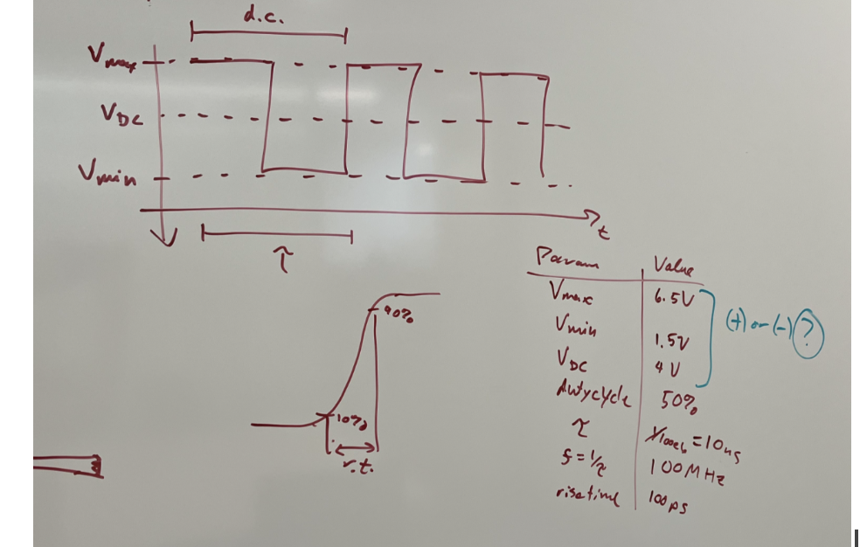
A4 | N/C |  |  |  |  |  |  | 3 | #NAME? | #NAME? | N/C | N/C | N/C | N/C | N/C | N/C | N/C | N/C | N/C | N/C | N/C | N/C | N/C | N/C | N/C | N/C | N/C | N/C | N/C | N/C | N/C | #NAME? | #NAME?
A5 | N/C |  |  |  |  |  |  | 4 | #NAME? | #NAME? | N/C | N/C | N/C | N/C | N/C | N/C | N/C | N/C | N/C | N/C | N/C | N/C | N/C | N/C | N/C | N/C | N/C | N/C | N/C | N/C | N/C | #NAME? | #NAME?
A6 | Return path of A7 |  | Signal generator 1 ground |  | GND |  |  | 5 | #NAME? | #NAME? | N/C | N/C | N/C | N/C | N/C | N/C | N/C | N/C | N/C | N/C | N/C | N/C | N/C | N/C | N/C | N/C | N/C | N/C | N/C | N/C | N/C | #NAME? | #NAME?
A7 | 5Vpp + 4V bias, 100MHz Square Wave |  | Signal generator 1 signal |  | Oscillator curcuit | See Oscillator Circuit Tab |  | 6 | #NAME? | #NAME? | N/C | N/C | N/C | N/C | N/C | N/C | N/C | N/C | N/C | N/C | N/C | N/C | N/C | N/C | N/C | N/C | N/C | N/C | N/C | N/C | N/C | #NAME? | #NAME?
A8 | Return path of A7 |  | Signal generator 1 ground |  | GND |  |  | 7 | #NAME? | #NAME? | N/C | N/C | N/C | N/C | N/C | N/C | N/C | N/C | N/C | N/C | N/C |  |  | N/C | N/C | N/C | N/C | N/C | N/C | N/C | N/C | #NAME? | #NAME?
A9 | Connect to 1.8V, DC, power rail, total expect <15mA |  | Power supply 3 signal | Yes | PS3 | HCPS VOUT 9 current sense INA214 see shunt resistor value to the right | Pin A9 is 3mA max out 6.8 ohm | 8 | #NAME? | #NAME? | N/C | N/C | N/C | N/C | N/C | N/C | N/C | N/C | N/C | N/C | N/C | N/C | N/C | N/C | N/C | N/C | N/C | N/C | N/C | N/C | N/C | #NAME? | #NAME?
A10 | Connect to 1.8V, DC, power rail, total expect <15mA |  | Power supply 3 signal |  | PS3 | HCPS VOUT 9 |  | 9 | #NAME? | #NAME? | N/C | N/C | N/C | N/C | N/C | N/C | N/C | N/C | N/C | N/C | N/C | N/C | N/C | N/C | N/C | N/C | N/C | N/C | N/C | N/C | N/C | #NAME? | #NAME?
A11 | Connect to 1.8V, DC, power rail, total expect <15mA |  | Power supply 3 signal |  | PS3 | HCPS VOUT 9 |  | 10 | #NAME? | #NAME? | N/C | N/C | N/C | N/C | N/C | N/C | N/C | N/C | N/C | N/C | N/C | N/C | N/C | N/C | N/C | N/C | N/C | N/C | N/C | N/C | N/C | #NAME? | #NAME?
A12 | N/C |  |  |  |  |  |  | 11 | #NAME? | #NAME? | N/C | N/C | N/C | N/C | N/C | N/C | N/C | N/C | N/C | N/C | N/C | N/C | N/C | N/C | N/C | N/C | N/C | N/C | N/C | N/C | N/C | #NAME? | #NAME?
A13 | N/C |  |  |  |  |  |  | 12 | #NAME? | #NAME? | N/C | N/C | N/C | N/C | N/C | N/C | N/C | N/C | N/C | N/C | N/C | N/C | N/C | N/C | N/C | N/C | N/C | N/C | N/C | N/C | N/C | #NAME? | #NAME?
A14 | N/C |  |  |  |  |  |  | 13 | #NAME? | #NAME? | N/C | N/C | N/C | N/C | N/C | N/C | N/C | N/C | N/C | N/C | N/C | N/C | N/C | N/C | N/C | N/C | N/C | N/C | N/C | N/C | N/C | #NAME? | #NAME?
A15 | Connect to 1.8V, DC, power rail, total expect <15mA |  | Power supply 3 signal | Yes | PS3 | HCPS VOUT 9 current sense INA214 see shunt resistor value to the right | Pin A15 is 400uA max out 50 ohm 1/8W | 14 | #NAME? | #NAME? | N/C | N/C | N/C | N/C | N/C | N/C | N/C | N/C | N/C | N/C | N/C | N/C | N/C | N/C | N/C | N/C | N/C | N/C | N/C | N/C | N/C | #NAME? | #NAME?
A16 | Connect to 1.8V, DC, power rail, total expect <15mA |  | Power supply 3 signal |  | PS3 | HCPS VOUT 9 |  | 15 | #NAME? | #NAME? | N/C | N/C | N/C | N/C | N/C | N/C | N/C | N/C | N/C | N/C | N/C | N/C | N/C | N/C | N/C | N/C | N/C | N/C | N/C | N/C | N/C | #NAME? | #NAME?
A17 | Connect to 1.8V, DC, power rail, total expect <15mA |  | Power supply 3 signal |  | PS3 | HCPS VOUT 9 |  | 16 | #NAME? | #NAME? | N/C | N/C | N/C | N/C | N/C | N/C | N/C | N/C | N/C | N/C | N/C | N/C | N/C | N/C | N/C | N/C | N/C | N/C | N/C | N/C | N/C | #NAME? | #NAME?
A18 | N/C |  |  |  |  |  |  | 17 | #NAME? | #NAME? | N/C | N/C | N/C | N/C | N/C | N/C | N/C | N/C | N/C | N/C | N/C | N/C | N/C | N/C | N/C | N/C | N/C | N/C | N/C | N/C | N/C | #NAME? | #NAME?
A19 | N/C |  |  |  |  |  |  | 18 | #NAME? | #NAME? | N/C | N/C | N/C | N/C | N/C | N/C | N/C | N/C | N/C | N/C | N/C | N/C | N/C | N/C | N/C | N/C | N/C | N/C | N/C | N/C | N/C | #NAME? | #NAME?
A20 | 1200mA, DC, current drive |  | Current driver 2 signal |  | Connect to Current Source Daughter card #2 connector Pin B2 and A4 | expected less than 3V |  | 19 | #NAME? | #NAME? | N/C | N/C | N/C | N/C | N/C | N/C | N/C | N/C | N/C | N/C | N/C | N/C | N/C | N/C | N/C | N/C | N/C | N/C | N/C | N/C | N/C | #NAME? | #NAME?
A21 | N/C |  |  |  |  |  |  | 20 | #NAME? | #NAME? | N/C | N/C | N/C | N/C | N/C | N/C | N/C | N/C | N/C | N/C | N/C | N/C | N/C | N/C | N/C | N/C | N/C | N/C | N/C | N/C | N/C | #NAME? | #NAME?
A22 | 2400mA, DC, current drive |  | Current driver 3 signal |  | Connect to Current Source Daughter card #3 connector Pin B2 and A4 | expected less than 3V |  | 21 | #NAME? | #NAME? | N/C | N/C | N/C | N/C | N/C | N/C | N/C | N/C | N/C | N/C | N/C | N/C | N/C | N/C | N/C | N/C | N/C | N/C | N/C | N/C | N/C | #NAME? | #NAME?
A23 | 2400mA, DC, current drive |  | Current driver 4 signal |  | Connect to Current Source Daughter card #4 connector Pin B2 and A4 | expected less than 3V |  | 22 | #NAME? | #NAME? | N/C | N/C | N/C | N/C | N/C | N/C | N/C | N/C | N/C | N/C | N/C | N/C | N/C | N/C | N/C | N/C | N/C | N/C | N/C | N/C | N/C | #NAME? | #NAME?
A24 | 2400mA, DC, current drive |  | Current driver 5 signal |  | Connect to Current Source Daughter card #5 connector Pin B2 and A4 | expected less than 3V |  | 23 | #NAME? | #NAME? | N/C | N/C | N/C | N/C | N/C | N/C | N/C | N/C | N/C | N/C | N/C | N/C | N/C | N/C | N/C | N/C | N/C | N/C | N/C | N/C | N/C | #NAME? | #NAME?
A25 | N/C |  |  |  |  |  |  | 24 | #NAME? | #NAME? | N/C | N/C | N/C | N/C | N/C | N/C | N/C | N/C | N/C | N/C | N/C | N/C | N/C | N/C | N/C | N/C | N/C | N/C | N/C | N/C | N/C | #NAME? | #NAME?
A26 | N/C |  |  |  |  |  |  | 25 | #NAME? | #NAME? | N/C | N/C | N/C | N/C | N/C | N/C | N/C | N/C | N/C | N/C | N/C | N/C | N/C | N/C | N/C | N/C | N/C | N/C | N/C | N/C | N/C | #NAME? | #NAME?
A27 | N/C |  |  |  |  |  |  | 26 | #NAME? | #NAME? | N/C | N/C | N/C | N/C | N/C | N/C | N/C | N/C | N/C | N/C | N/C | N/C | N/C | N/C | N/C | N/C | N/C | N/C | N/C | N/C | N/C | #NAME? | #NAME?
A28 | N/C |  |  |  |  |  |  | 27 | #NAME? | #NAME? | N/C | N/C | N/C | N/C | N/C | N/C | N/C | N/C | N/C | N/C | N/C | N/C | N/C | N/C | N/C | N/C | N/C | N/C | N/C | N/C | N/C | #NAME? | #NAME?
A29 | N/C |  |  |  |  |  |  | 28 | #NAME? | #NAME? | N/C | N/C | N/C | N/C | N/C | N/C | N/C | N/C | N/C | N/C | N/C | N/C | N/C | N/C | N/C | N/C | N/C | N/C | N/C | N/C | N/C | #NAME? | #NAME?
A30 | N/C |  |  |  |  |  |  | 29 | #NAME? | #NAME? | N/C | N/C | N/C | N/C | N/C | N/C | N/C | N/C | N/C | N/C | N/C | N/C | N/C | N/C | N/C | N/C | N/C | N/C | N/C | N/C | N/C | #NAME? | #NAME?
A31 | N/C |  |  |  |  |  |  | 30 | #NAME? | #NAME? | N/C | N/C | N/C | N/C | N/C | N/C | N/C | N/C | N/C | N/C | N/C | N/C | N/C | N/C | N/C | N/C | N/C | N/C | N/C | N/C | N/C | #NAME? | #NAME?
A32 | N/C |  |  |  |  |  |  | 31 | #NAME? | #NAME? | N/C | N/C | N/C | N/C | N/C | N/C | N/C | N/C | N/C | N/C | N/C | N/C | N/C | N/C | N/C | N/C | N/C | N/C | N/C | N/C | N/C | #NAME? | #NAME?
A33 | N/C |  |  |  |  |  |  | 32 | #NAME? | #NAME? | N/C | N/C | N/C | N/C | N/C | N/C | N/C | N/C | N/C | N/C | N/C | N/C | N/C | N/C | N/C | N/C | N/C | N/C | N/C | N/C | N/C | #NAME? | #NAME?
A34 | N/C |  |  |  |  |  |  | 33 | #NAME? | #NAME? | N/C | N/C | N/C | N/C | N/C | N/C | N/C | N/C | N/C | N/C | N/C | N/C | N/C | N/C | N/C | N/C | N/C | N/C | N/C | N/C | N/C | #NAME? | #NAME?
B1 | N/C |  |  |  |  |  |  | 34 | #NAME? | #NAME? | N/C | N/C | N/C | N/C | N/C | N/C | N/C | N/C | N/C | N/C | N/C | N/C | N/C | N/C | N/C | N/C | N/C | N/C | N/C | N/C | N/C | #NAME? | #NAME?
B2 | N/C |  |  |  |  |  |  | 35 | N/C | N/C | N/C | N/C | N/C | N/C | N/C | N/C | N/C | N/C | N/C | N/C | N/C | N/C | N/C | N/C | N/C | N/C | N/C | N/C | N/C | N/C | N/C | N/C | N/C
B3 | N/C |  |  |  |  |  |  | 36 | N/C | N/C | N/C | N/C | N/C | N/C | N/C | N/C | N/C | N/C | N/C | N/C | N/C | N/C | N/C | N/C | N/C | N/C | N/C | N/C | N/C | N/C | N/C | N/C | N/C
B4 | N/C |  |  |  |  |  |  | 37 | N/C | N/C | #NAME? | #NAME? | #NAME? | #NAME? | #NAME? | #NAME? | #NAME? | #NAME? | #NAME? | #NAME? | #NAME? | #NAME? | #NAME? | #NAME? | #NAME? | #NAME? | #NAME? | #NAME? | #NAME? | #NAME? | #NAME? | N/C | N/C
B5 | N/C |  |  |  |  |  |  | 38 | N/C | N/C | #NAME? | #NAME? | #NAME? | #NAME? | #NAME? | #NAME? | #NAME? | #NAME? | #NAME? | #NAME? | #NAME? | #NAME? | #NAME? | #NAME? | #NAME? | #NAME? | #NAME? | #NAME? | #NAME? | #NAME? | #NAME? | N/C | N/C
B6 | Return path of A7 |  | Signal generator 1 ground |  | GND |  |  | 39 | N/C | N/C | #NAME? | #NAME? | #NAME? | #NAME? | #NAME? | #NAME? | #NAME? | #NAME? | #NAME? | #NAME? | #NAME? | #NAME? | #NAME? | #NAME? | #NAME? | #NAME? | #NAME? | #NAME? | #NAME? | #NAME? | #NAME? | N/C | N/C
B7 | Return path of A7 |  | Signal generator 1 ground |  | GND |  |  | 40 | N/C | N/C | #NAME? | #NAME? | #NAME? | #NAME? | #NAME? | #NAME? | #NAME? | #NAME? | #NAME? | #NAME? | #NAME? | #NAME? | #NAME? | #NAME? | #NAME? | #NAME? | #NAME? | #NAME? | #NAME? | #NAME? | #NAME? | N/C | N/C
B8 | Return path of A7 |  | Signal generator 1 ground |  | GND
B9 | Return path of power supply 3 |  | Power supply 3 ground |  | GND |  |  |  |  |  | SOUTH
B10 | Return path of power supply 3 |  | Power supply 3 ground |  | GND
B11 | Return path of power supply 3 |  | Power supply 3 ground |  | GND
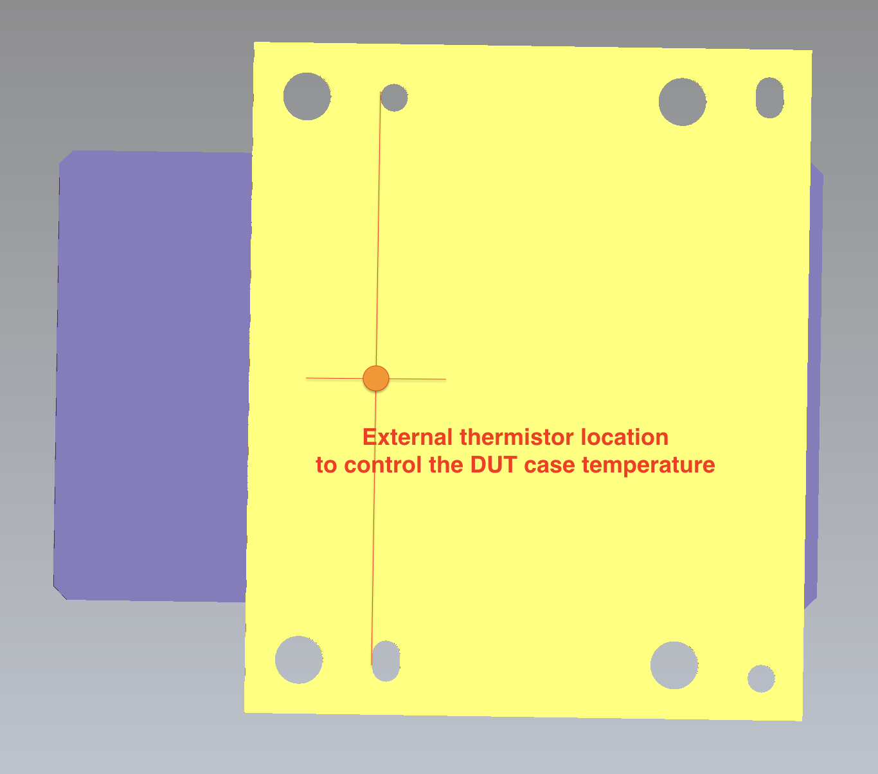
B12 | N/C
B13 | N/C
B14 | N/C
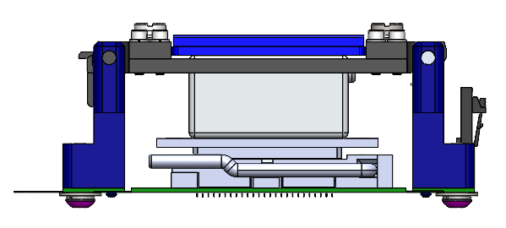
B15 | Return path of power supply 3 |  | Power supply 3 ground |  | GND
B16 | Return path of power supply 3 |  | Power supply 3 ground |  | GND
B17 | Return path of power supply 3 |  | Power supply 3 ground |  | GND
B18 | N/C
B19 | Return path of A20, A22, A23, A24 |  | Current Driver 2,3,4,5 common ground |  | GND
B20 | Return path of A20, A22, A23, A24 |  | Current Driver 2,3,4,5 common ground |  | GND
B21 | Return path of A20, A22, A23, A24 |  | Current Driver 2,3,4,5 common ground |  | GND
B22 | Return path of A20, A22, A23, A24 |  | Current Driver 2,3,4,5 common ground |  | GND
B23 | Return path of A20, A22, A23, A24 |  | Current Driver 2,3,4,5 common ground |  | GND
B24 | Return path of A20, A22, A23, A24 |  | Current Driver 2,3,4,5 common ground |  | GND
B25 | N/C
B26 | N/C
B27 | N/C
B28 | N/C
B29 | N/C
B30 | N/C
B31 | N/C
B32 | N/C
B33 | N/C
B34 | N/C
C37 | Connect to 3.3V, DC, power rail, total expect 1A |  | Power supply 1 signal |  | PS1 | LCPS J6 1-5 | 1 Supply per DUT
C38 | Connect to 3.3V, DC, power rail, total expect 1A |  | Power supply 1 signal |  | PS1 | LCPS J6 1-5 | 1 Supply per DUT
C39 | Return path of C37, C38, C40, D37, U40, V37, V39, V40 |  | Power supply 1,2 common ground |  | GND
C40 | Connect to -1.2V, DC, negative power rail, expect < 50mA |  | Power supply 2 signal |  | PS2 | Negative supply | From HCPS VOUT 10
D37 | Connect to 3.3V, DC, power rail, total expect 1A |  | Power supply 1 signal |  | PS1 | LCPS J6 1-5 | 1 Supply per DUT
D38 | Return path of C37, C38, C40, D37, U40, V37, V39, V40 |  | Power supply 1,2 common ground |  | GND
D39 | Return path of C37, C38, C40, D37, U40, V37, V39, V40 |  | Power supply 1,2 common ground |  | GND
D40 | Return path of C37, C38, C40, D37, U40, V37, V39, V40 |  | Power supply 1,2 common ground |  | GND
E37 | N/C
E38 | N/C
E39 | N/C
E40 | N/C
F37 | N/C
F38 | N/C
F39 | N/C
F40 | N/C
G37 | N/C
G38 | N/C
G39 | N/C
G40 | N/C
H37 | N/C
H38 | N/C
H39 | N/C
H40 | N/C
I37 | N/C
I38 | N/C
I39 | N/C
I40 | N/C
J37 | N/C
J38 | N/C
J39 | N/C
J40 | N/C
K37 | N/C
K38 | N/C
K39 | N/C
K40 | N/C
L37 | N/C
L38 | N/C
L39 | N/C
L40 | N/C
M37 | N/C
M38 | N/C
M39 | N/C
M40 | N/C
N37 | N/C
N38 | N/C
N39 | N/C
N40 | N/C
O37 | N/C
O38 | N/C
O39 | N/C
O40 | N/C
P37 | N/C
P38 | N/C
P39 | N/C
P40 | N/C
Q37 | N/C
Q38 | N/C
Q39 | N/C
Q40 | N/C
R37 | N/C
R38 | N/C
R39 | N/C
R40 | N/C
S37 | N/C
S38 | N/C
S39 | N/C
S40 | N/C
T37 | N/C
T38 | N/C
T39 | N/C
T40 | N/C
U37 | Return path of C37, C38, C40, D37, U40, V37, V39, V40 |  | Power supply 1,2 common ground |  | GND
U38 | Return path of C37, C38, C40, D37, U40, V37, V39, V40 |  | Power supply 1,2 common ground |  | GND
U39 | Return path of C37, C38, C40, D37, U40, V37, V39, V40 |  | Power supply 1,2 common ground |  | GND
C30 | Connect to -18V, DC, negative power rail, expect < 50mA
U40 | 3.3V, DC, power rail, expect 1A |  | Power supply 1 signal |  | PS1 | LCPS J6 1-5 | 1 Supply per DUT
V37 | Connect to -1.2V, DC, negative power rail, expect < 50mA |  | Power supply 2 signal |  | PS2
V38 | Connect to 1.8V, DC, power rail, total expect <15mA |  | Power supply 3 signal | Yes | PS3 | HCPS VOUT 9 current sense INA214 see shunt resistor value to the right | Pin V38 is 15mA max out 1.3 ohm 1W
V39 | 3.3V, DC, power rail, expect 1A |  | Power supply 1 signal |  | PS1 | LCPS J6 1-5 | 1 Supply per DUT
V40 | 3.3V, DC, power rail, expect 1A |  | Power supply 1 signal |  | PS1 | LCPS J6 1-5 | 1 Supply per DUT
W37 | Connect to 1.8V, DC, power rail, total expect <15mA |  | Power supply 3 signal | Yes | PS3 | HCPS VOUT 9 current sense INA214 see shunt resistor value to the right | Pin W37 is 15mA max out 1.3 ohm 1W
W38 | Return path of power supply 3 |  | Power supply 3 ground |  | GND
W39 | Connect to 1.8V, DC, power rail, total expect <15mA |  | Power supply 3 signal | Yes | PS3 | HCPS VOUT 9 current sense INA214 see shunt resistor value to the right | Pin W39 is 3mA max out 6.8 ohm 1/4W
W40 | Connect to 1.8V, DC, power rail, total expect <15mA |  | Power supply 3 signal | Yes | PS3 | HCPS VOUT 9 current sense INA214 see shunt resistor value to the right | Pin W40 is 15mA max out 1.3 ohm 1W
X1 | Return path of power supply 3 |  | Power supply 3 ground |  | GND
X2 | Thermistor read out w/ Y2 |  | Thermistor read out | Yes | 1/16A fuse to 4.096VREF
X3 | N/C
X4 | N/C
X5 | N/C
X6 | N/C
X7 | N/C
X8 | N/C
X9 | N/C
X10 | N/C
X11 | N/C
X12 | N/C
X13 | Return path of Y13 |  | Current Driver 6 ground |  | GND
X14 | Thermistor read out w/ Y14 |  | Thermistor read out | Yes | 1/16A fuse to 4.096VREF
X15 | N/C
X16 | N/C
X17 | N/C
X18 | N/C
X19 | Thermistor read out w/ Y19 |  | Thermistor read out | Yes | 1/16A fuse to 4.096VREF
X20 | N/C
X21 | Return path of Y22, Y23, Y24 |  | Current Driver 7,8,9 common ground |  | GND
X22 | Return path of Y22, Y23, Y24 |  | Current Driver 7,8,9 common ground |  | GND
X23 | Return path of Y22, Y23, Y24 |  | Current Driver 7,8,9 common ground |  | GND
X24 | Return path of Y22, Y23, Y24 |  | Current Driver 7,8,9 common ground |  | GND
X25 | N/C
X26 | N/C
X27 | N/C
X28 | N/C
X29 | N/C
X30 | N/C
X31 | N/C
X32 | N/C
X33 | N/C
X34 | N/C
Y1 | Connect to 1.8V, DC, power rail, total expect <15mA |  | Power supply 3 signal | Yes | PS3 | HCPS VOUT 9 current sense INA214 see shunt resistor value to the right | Pin Y1 is 10mA max out 2 ohm 1/2W
Y2 | Thermistor read out w/ X2 |  | Thermistor read out | Yes | connect to 3.74k 0.1% resistor to XADC and 1.24k 0.1% to GND See XADC ADC resource page
Y3 | N/C
Y4 | N/C
Y5 | N/C
Y6 | N/C
Y7 | N/C
Y8 | N/C
Y9 | N/C
Y10 | N/C
Y11 | N/C
Y12 | N/C
Y13 | 1200mA, DC, current drive |  | Current Driver 6 |  | Connect to Current Source Daughter card #6 connector Pin B2 and A4 | expected less than 3V
Y14 | Thermistor read out w/ X14 |  | Thermistor read out | Yes | connect to 3.74k 0.1% resistor to XADC and 1.24k 0.1% to GND See XADC ADC resource page
Y15 | N/C
Y16 | N/C
Y17 | Connect to 1.8V, DC, power rail, total expect <15mA |  | Power supply 3 signal | Yes | PS3 | HCPS VOUT 9 current sense INA214 see shunt resistor value to the right | Pin Y17 is 6mA max out 3.3 ohm 1/2W
Y18 | Connect to 1.8V, DC, power rail, total expect <15mA |  | Power supply 3 signal |  | PS3 | HCPS VOUT 9
Y19 | Thermistor read out w/ X19 |  | Thermistor read out | Yes | connect to 3.74k 0.1% resistor to XADC and 1.24k 0.1% to GND See XADC ADC resource page
Y20 | N/C
Y21 | N/C
Y22 | 2400mA, DC, current drive |  | Current Driver 7 |  | Connect to Current Source Daughter card #7 connector Pin B2 and A4 | expected less than 3V
Y23 | 2400mA, DC, current drive |  | Current Driver 8 |  | Connect to Current Source Daughter card #8 connector Pin B2 and A4 | expected less than 3V
Y24 | 2400mA, DC, current drive |  | Current Driver 9 |  | Connect to Current Source Daughter card #9 connector Pin B2 and A4 | expected less than 3V
Y25 | N/C
Y26 | N/C
Y27 | N/C
Y28 | N/C
Y29 | N/C
Y30 | N/C
Y31 | N/C
Y32 | N/C
Y33 | N/C
Y34 | N/C

Oscillator Circuit
In Connect to Sonoma High speed Channel | V2 PS1 3.3V J6 VOUT1-5 thru a fuse one supply per DUT.
 | V1 5V J6 VOUT8 one per DUT thru a fuse
Out to DUT | 12V connect to System 12V tru a fuse

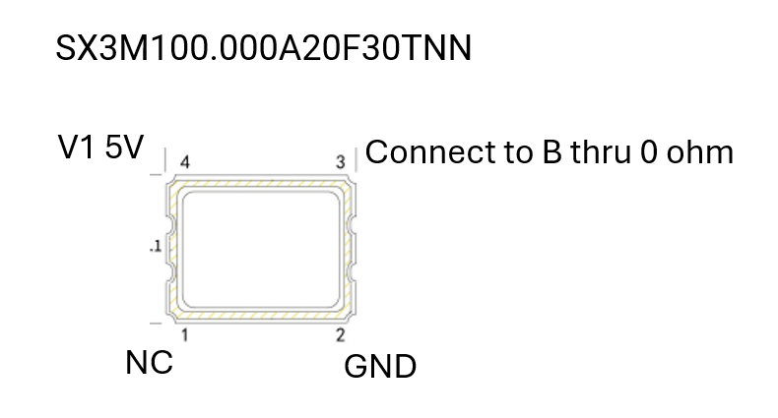

 |  | OSCILLATOR IS DNI but order it for Assembly

Daughter card pinout
use Sullins S9641-ND same footprint as in B1830 or S0033

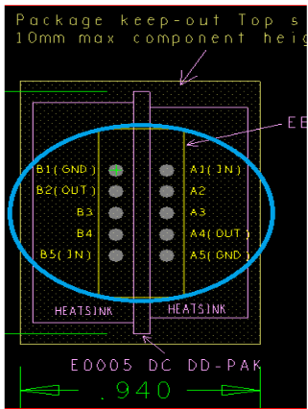

 |  |  | Card 1-5 | Card 6-9
 | IN comes from LCPS | DUT1 | LCPS6-VOUT6 | LCPS6-VOUT7
 |  | DUT2 | LCPS7-1 | LCPS7-2
 |  | DUT3 | LCPS7-3 | LCPS7-4
 |  | DUT4 | LCPS7-5 | LCPS7-6
 |  | DUT5 | LCPS7-7 | LCPS7-8

ADC XADC Resources
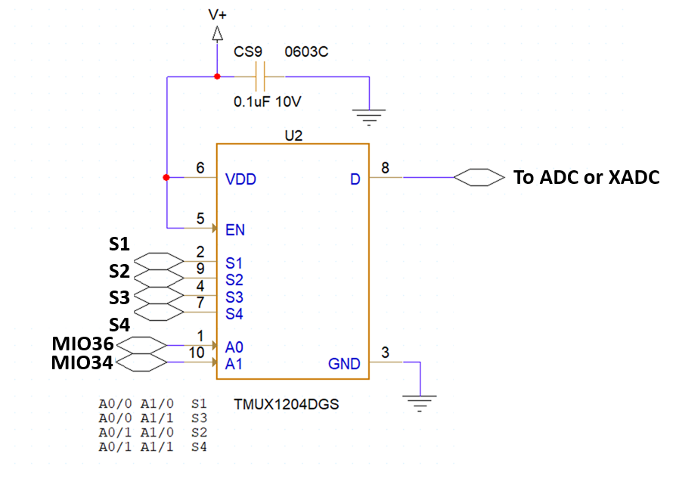
ADC assignment |  |  |  |  |  | 1 fuse for all TMUX1204 |  | V+ = VOUT8
ADC_IN00 | Current sense x4 per Socket PS3 | DUT 1 | TMUX1204DGS 1 |  | S1,S2,S3,S4
ADC_IN01 | Current sense x4 per Socket PS3 | DUT 1 | TMUX1204DGS 2 |  | S1,S2,S3,S4
ADC_IN02 | Current sense x4 per Socket PS3 | DUT 2 | TMUX1204DGS 3 |  | S1,S2,S3,S4
ADC_IN03 | Current sense x4 per Socket PS3 | DUT 2 | TMUX1204DGS 4 |  | S1,S2,S3,S4
ADC_IN04 | Current sense x4 per Socket PS3 | DUT 3 | TMUX1204DGS 5 |  | S1,S2,S3,S4
ADC_IN05 | Current sense x4 per Socket PS3 | DUT 3 | TMUX1204DGS 6 |  | S1,S2,S3,S4
ADC_IN06 | Current sense x4 per Socket PS3 | DUT 4 | TMUX1204DGS 7 |  | S1,S2,S3,S4
ADC_IN07 | Current sense x4 per Socket PS3 | DUT 4 | TMUX1204DGS 8 |  | S1,S2,S3,S4
ADC_IN08 | Current sense x4 per Socket PS3 | DUT 5 | TMUX1204DGS 9 |  | S1,S2,S3,S4
ADC_IN09 | Current sense x4 per Socket PS3 | DUT 5 | TMUX1204DGS 10 |  | S1,S2,S3,S4
ADC_IN10 | NC
ADC_IN11 | NC
ADC_IN12 | NC
ADC_IN13 | NC
ADC_IN14 | NC
ADC_IN15 | NC
XADC_0 | Case Temperature 1 Socket | DUT 1 |  | thru divider
XADC_1 | Case Temperature 1 Socket | DUT 2 |  | thru divider
XADC_2 | Case Temperature 1 Socket | DUT 3 |  | thru divider
XADC_3 | Case Temperature 1 Socket | DUT 4 |  | thru divider
XADC_4 | Case Temperature 1 Socket | DUT 5 |  | thru divider
XADC_5 | Thermistor Y2 Y14 Y18 1 socket | DUT 1 | TMUX1204DGS 11 | thru divider | S1,S2,S3
XADC_6 | Thermistor Y2 Y14 Y18 1 socket | DUT 2 | TMUX1204DGS 12 | thru divider | S1,S2,S3
XADC_7 | Thermistor Y2 Y14 Y18 1 socket | DUT 3 | TMUX1204DGS 13 | thru divider | S1,S2,S3
XADC_8 | Thermistor Y2 Y14 Y18 1 socket | DUT 4 | TMUX1204DGS 14 | thru divider | S1,S2,S3
XADC_9 | Thermistor Y2 Y14 Y18 1 socket | DUT 5 | TMUX1204DGS 15 | thru divider | S1,S2,S3
XADC_10 | NC
XADC_11 | NC
XADC_12 | NC
XADC_13 | NC
XADC_14 | NC
XADC_15 | NC
 |  |  |  |  |  |  | USE MIO34 MIO35 MIO36 thru 0 ohm for all 15 TMUX1204DGS MUX

 | Example of X2/Y2 connection | use same for Y14 Y18 X14 X18
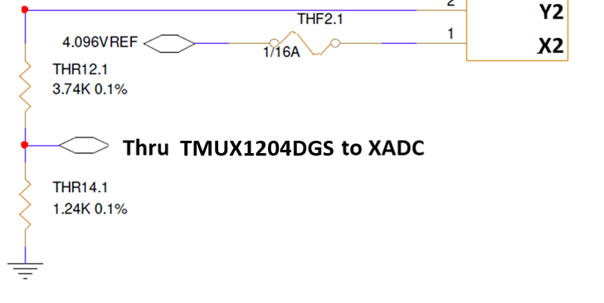

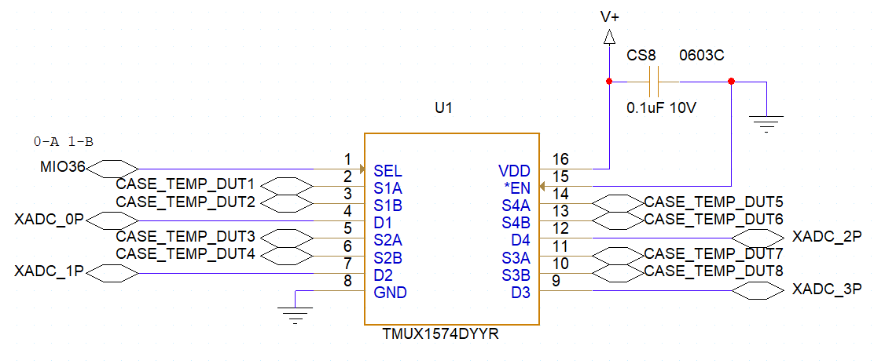

 | MIO36 for all 4 MUX1574

Negative 1.8V
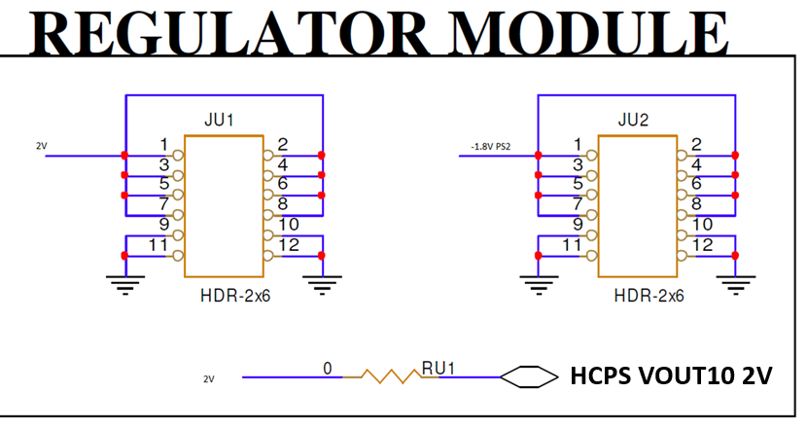
Use Module footprint From S0015

Power Supplies
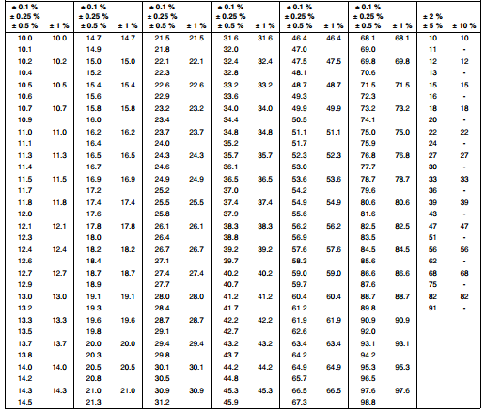
LCPS 6 0.5-5.5V | Voltage | Trim value to use | Trim resistor values in Ohms calc | Notes | Per DUT Current A | Per board Current A | Trim resistor value 23.7k x8
VOUT1 | 3.3 | 4.42k | 4444.4444444 | PS1 DUT1 | 6 | 6
VOUT2 | 3.3 | 4.42k | 4444.4444444 | PS1 DUT2 | 6 | 6
VOUT3 | 3.3 | 4.42k | 4444.4444444 | PS1 DUT3 | 6 | 6
VOUT4 | 3.3 | 4.42k | 4444.4444444 | PS1 DUT4 | 6 | 6
VOUT5 | 3.3 | 4.42k | 4444.4444444 | PS1 DUT5 | 6 | 6
VOUT6 | 4.5 | 3.09k | 3076.9230769 | Daughter card supply DUT1 | 12 | 12
VOUT7 | 4.5 | 3.09k | 3076.9230769 | Daughter card supply DUT1 | 11 | 11
VOUT8 | 5 | 2.43K | 2727.2727273 | Heaters, oscillator, switches supply, INA214 | 1 | 5

LCPS 7 | Voltage | Trim value to use | Trim resistor values in Ohms calc |  | Per DUT Current A | Per board Current A | Trim resistor value 54.9k x8
VOUT1 | 4.5 | 3.09k | 3076.9230769 | Daughter card supply DUT2 | 12 | 12
VOUT2 | 4.5 | 3.09k | 3076.9230769 | Daughter card supply DUT2 | 11 | 11
VOUT3 | 4.5 | 3.09k | 3076.9230769 | Daughter card supply DUT3 | 12 | 12
VOUT4 | 4.5 | 3.09k | 3076.9230769 | Daughter card supply DUT3 | 11 | 11
VOUT5 | 4.5 | 3.09k | 3076.9230769 | Daughter card supply DUT4 | 12 | 12
VOUT6 | 4.5 | 3.09k | 3076.9230769 | Daughter card supply DUT4 | 11 | 11
VOUT7 | 4.5 | 3.09k | 3076.9230769 | Daughter card supply DUT5 | 12 | 12
VOUT8 | 4.5 | 3.09k | 3076.9230769 | Daughter card supply DUT5 | 11 | 11

HCPS 0.5-2V | Voltage
HCPS VOUT9 | 1.8V |  |  | PS3 | 0.2 | 1
HCPS VOUT10 | 2V |  |  | PS2 negative 1.8V thru regulator | 0.1 | 0.5
HCPS VOUT11 | not used
HCPS VOUT12 | not used

